TC5
ID | TС00005 | Target Description: | Entering characters at the beginning of blocked lines in the Java editor
Type | Functional |  | Priority: | Medium
Pre-conditions:
1 | The website https://goit.global/qa-autocheck-test/?token=d5fcc3783ba50fcac78b5a5ea8e4d69f6fe51ed8368bc618a58a846ad8b03a63&block=xyz01ab35 is open in the browther
2 | The Java code editor window is open.
3 | A start code is in the editor window.
Steps
Step |  |  | Expected result |  | Pass | Fail | Bug report ID
1 | 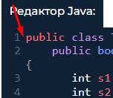 Enter the word "TEST" at the beginning of the blocked line in the code editor |  | Entering characters at the beginning of a blocked line in the code editor is not possible. |  |  |  | BR1006

Executor: |  | Mashentsova Oksana |  | Date: | 2022-10-07

TC6
ID | TС00006 | Target Description: | Checking the program code of the correct answer for each question in the editor window after clicking the "Check" button
Type | Functional |  | Priority: | Hight
Pre-conditions:
1 | The website https://goit.global/qa-autocheck-test/?token=d5fcc3783ba50fcac78b5a5ea8e4d69f6fe51ed8368bc618a58a846ad8b03a63&block=xyz01ab35 is open in the browther
2 | The Java code editor window is open.
3 | A start code is in the editor window.
Steps
Step |  |  | Expected result |  | Pass | Fail | Bug report ID
1 | Open question № (see test data) |  | The page updated. Question № (see test data) is open
2 | Enter the program code of the correct answer to the corresponding question (see test data) in the highlighted gray line |  | The program code for the correct answer to the corresponding question (see test data) was entered.
3 | Click on the "Check" button between the code editor and the results section |  |  The code in the editor window has been validated. All items in the results section are highlighted in green text |  |  |  | BR1007, BR1008, BR1009, BR1010
Executor: |  | Mashentsova Oksana |  | Date: | 2022-10-07

TC8
ID | TС00008 | Target Description: | Collapsing the theory section after clicking the "Hide theory and assignments" button at the top of the page body
Type | Functional |  | Priority: | Medium
Pre-conditions:
1 | The website https://goit.global/qa-autocheck-test/?token=d5fcc3783ba50fcac78b5a5ea8e4d69f6fe51ed8368bc618a58a846ad8b03a63&block=xyz01ab35 is open in the browther
2 | The theory section is open
Steps
Step |  |  | Expected result |  | Pass | Fail | Bug report ID
1 | Click the button |  | The theory section collapses
2 |  |  | The code editor window expands to the full width of the page. |  |  |  | BR1013
3 | 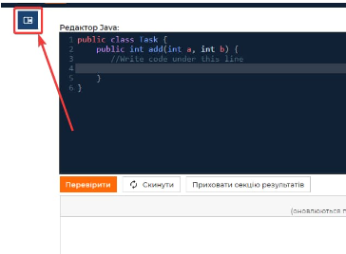 |  | The "Hide theory and assignments" button shrunk to an icon with no text.
Executor: |  | Mashentsova Oksana |  | Date: | 2022-10-07

